US - SNEAKERS


 | CODE | COLOR | ASSORTMENTS | PAIRS X BOX | BOX | QTY | QTY Paia Singole | QUANTITA TOTALI | SELL PRICE | RETAIL | NOTE
MAN
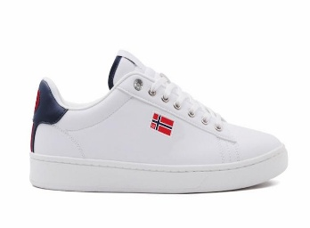 | 851060 | BLACK | 40/46 | 12 | 3 | 36 | 6 | 214 |  | 79.00 €
 |  | BLACK 2020 |  | 12 | 2 | 24 | 11
 |  | GALAXSY |  | 12 | 7 | 84 | 3
 |  | GREEN |  | 12 | 3 | 36 | 11
 |  | WHITE |  |  |  | 0 | 3
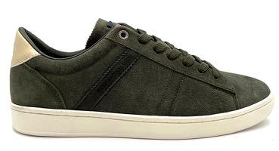 | 851061 | COFFE 6261 | 40/46 | 12 | 2 | 24 |  | 416 |  | 79.00 €
 |  | GREEN 7210 |  | 12 | 14 | 168
 |  | NAVY |  | 12 | 2 | 24
 |  | REVENTON |  | 12 | 5 | 60 | 16
 |  | SAILOR |  | 12 | 12 | 144 | 4
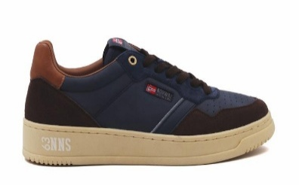 | 851062 | ALMOND 6161 | 40/46 | 12 | 2 | 24 | 1 | 613 |  | 79.00 €
 |  | DEEP BROWN |  | 12 | 15 | 180 | 11
 |  | GREEN |  | 12 | 7 | 84 | 8
 |  | GREEN 7220 |  | 12 | 4 | 48
 |  | ROPE |  | 12 | 4 | 48 | 6
 |  | WHITE |  | 12 | 17 | 204 | 5
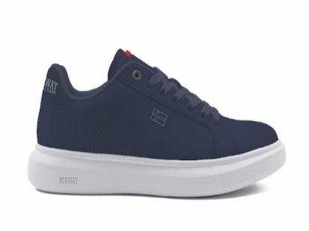 | 851063 | NAVY | 40/46 |  |  | 0 | 15 | 24 |  | 75.00 €
 |  | WHITE |  |  |  | 0 | 9
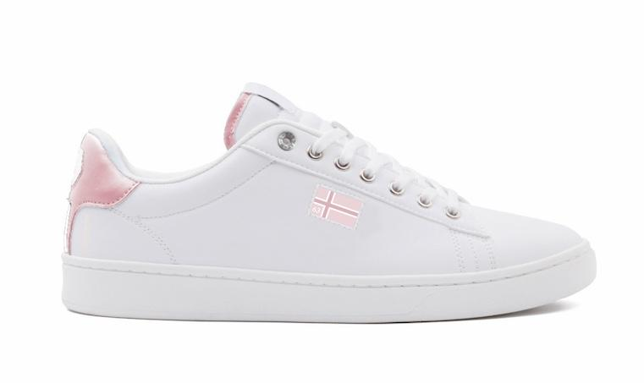 | 851065 | CAPRI | 35/41 |  |  | 0 | 11 | 39 |  | 75.00 €
 |  | WHITE |  |  |  | 0 | 28
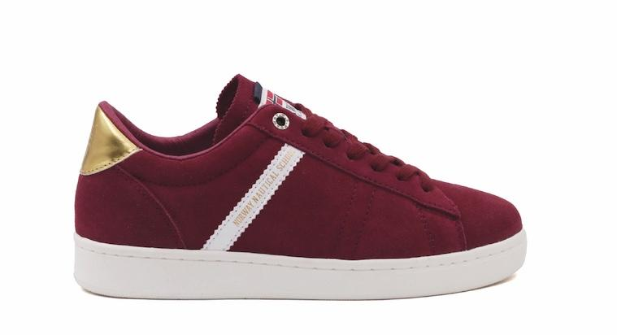 | 851066 | BURGUBDY 5210 | 35/41 | 12 | 3 | 36 | 16 | 586 |  | 75.00 €
 |  | PINE 7260 |  | 12 | 9 | 108
 |  | ROSA ANTICO |  | 12 | 7 | 84 | 21
 |  | WHITE |  | 12 | 2 | 24 | 27
 |  | WHITE 1010 |  | 12 | 10 | 120 | 33
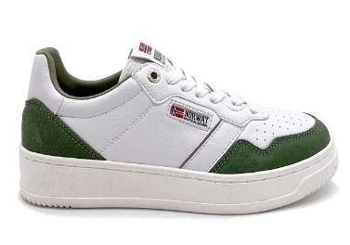 | 851067 | ROPE | 35/41 | 12 | 13 | 156 |  | 269 |  | 75.00 €
 |  | WHITE |  | 12 | 3 | 36
 |  | WHITE 1010 |  | 12 | 6 | 72 | 10
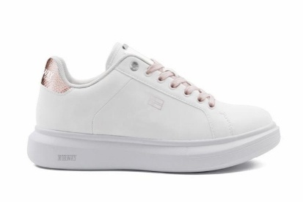 | 851068 | PINK/GOLD | 35/41 |  |  | 0 | 4 | 30 |  | 75.00 €
 |  | SILVER |  | 12 | 1 | 12 | 14
 | 851073 | BLUE 3210 | 40/46 |  |  | 0 | 2 | 79 |  | 79.00 €
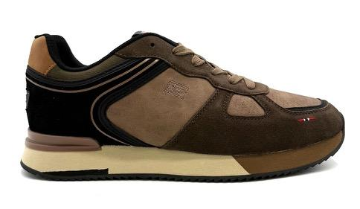 |  | BROWN 6161 |  | 12 | 6 | 72
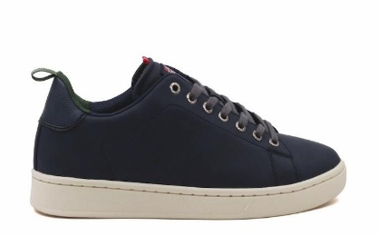 | 851075 | DEEP 3232 | 40/46 | 12 | 7 | 84 |  | 156 |  | 79.00 €
 |  | SHARK 4242 |  | 12 | 6 | 72
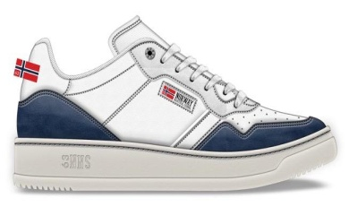 | 801062 | NAVY/WHITE | 40/46 | 12 | 1 | 12 |  | 324 |  | 85.00 €
 |  | WHITE/NAVY |  | 12 | 18 | 216
 |  | WHITE |  | 12 | 8 | 96
 | 861067 | WHIT 1010 | 35/41 | 12 | 29 | 348 |  | 290 |  | 75.00 €
 |  |  |  | TOTAL PAIRS: |  | 2736 |  | 3040

